DashBoard
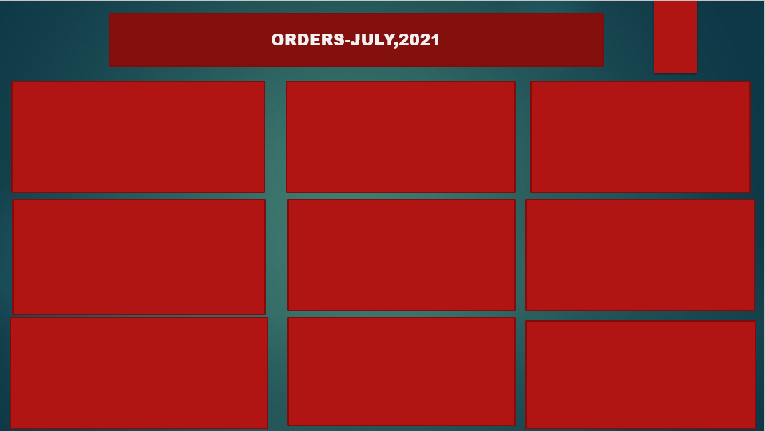

Loyal Loyal Customer
 | Total
Busy Corner Supermarket | 3
Cost Price | 4
Face To Face | 0
Mummy Tboy Store | 3
Sb | 4
Takas Grocery | 3
Tina Shop | 3
Tina Store | 3
Tomitope Stores | 3
(blank)
Percentage of Sales Per Outlet
 | Total
Convenience Store | 15106454%
Kiosk | 11602219%
Supermarket | 11763976%
Shipping Status by Outlet Type
 | cancelled | delivered
Convenience Store | 565 | 13810
Kiosk | 567 | 10690
Supermarket | 650 | 10633

5 Lowest Producer Sales
 | Total
Danone Nigeria | $6,608
Extreme Manufacturing Nig Ltd | $7,614
Nasco | $5,499
Nourdm Global | $2,136
(blank)
Average of Quantity Per Category Group
 | Total
Baby | 2
Breakfast & Snacks | 6
Drinks | 18
Food | 5
Home Care | 3
Personal Care | 1
Wine & Spirits | 3
10 Worst Deliverly Agent
 | Total
Adetoro Oluranti | $96
Agenu Chukwudi | $123
Akinwande Akinbiyi | $50
Asor Henry | $162
Azeez Sahad | $164
Clement Adeshina | $263
Ekemenah Eduvie Steve | $187
Kingsley Okore Kalu | $56
Olaleye Thomas | $104
(blank)

TOP 10 VIP CUSTOMERS
 | Total
Ym Stores | 4968.9054726
Royal Born Store Lagos State | 6843.4701493
Oreofe Stores | 4424.1293532
Nonye Store | 5184.60199
Iya Ruka K Store | 7657.1641791
Green Leaves General Enterprise | 4959.5771144
Gidan Sama Supermarket | 5684.079602
Benijraat Store | 4610.8208955
Ben Green Venture Store | 6886.2189055
Ail. Yusuf Lawan Usman, Provision And Cosmetics | 4959.5771144
States by SalesChannel
 | Field Sales | Mobile App | Telesales
Abia | 2487.5621891 | 69.552238806
Anambra | 4344.5273632
FCT | 48079.502488
Gauteng |  | 20474.661107 | 6550.0849185
Kano | 9919.1542289
Katlehong |  | 27.686413043
Lagos | 175217.53433 | 11401.218905 | 61161.4801
Ogun | 29248.482587 | 1948.619403 | 10507.761194
Oyo | 1730.8457711
Rivers | 1534.8258706
Soweto |  | 22.979619565
Percentage of sales volume by sales channel and country
 | Field Sales | Mobile App | Telesales | (blank)
NG | 16.17% | 5.56% | 27.04% | 0.00%
ZA | 0.00% | 40.34% | 10.88% | 0.00%
(blank) | 0.00% | 0.00% | 0.00% | 0.00%

Answer 1
Row Labels | Sum of Column1
Busy Corner Supermarket | 3
Cost Price | 4
Face To Face | 0
Mummy Tboy Store | 3
LEAST LOYAL CUSTOMER
 | Total
Busy Corner Supermarket | 3
Cost Price | 4
Face To Face | 0
Mummy Tboy Store | 3
Sb | 4
Takas Grocery | 3
Tina Shop | 3
Tina Store | 3
Tomitope Stores | 3
(blank)
Sb | 4
Takas Grocery | 3
Tina Shop | 3
Tina Store | 3
Tomitope Stores | 3
(blank)
Grand Total | 24

Answer 2
PERCENTAGES OF SALES PER OUTLET
Row Labels | Sum of Column1
Convenience Store | 15106454%
Kiosk | 11602219%
Supermarket | 11763976%
Grand Total | 38472648%

Answer 3
FIVE LOWEST PRODUCER SALES
 | Total
Danone Nigeria | $6,608
Extreme Manufacturing Nig Ltd | $7,614
Nasco | $5,499
Nourdm Global | $2,136
(blank)
Producer | Sum of Column1
Danone Nigeria | $6,608
Extreme Manufacturing Nig Ltd | $7,614
Nasco | $5,499
Nourdm Global | $2,136
(blank)
Grand Total | $21,856

Answer 4
Average of Quantity Per Category Group
Category Group | Average of Quantity
Baby | 2
Breakfast & Snacks | 6
Drinks | 18
Food | 5
Home Care | 3
Personal Care | 1
Wine & Spirits | 3
Grand Total | 4

Answer 5
Sum of Quantity | Column Labels
Row Labels | cancelled | delivered | Grand Total
Convenience Store | 565 | 13810 | 14375
Kiosk | 567 | 10690 | 11257
Supermarket | 650 | 10633 | 11283
Grand Total | 1782 | 35133 | 36915

Shipping Status by Outlet Type

Answer 6
Row Labels | Sum of Column1
Adetoro Oluranti | $96
Agenu Chukwudi | $123
10 Worst Deliverly Agent
 | Total
Adetoro Oluranti | $96
Agenu Chukwudi | $123
Akinwande Akinbiyi | $50
Asor Henry | $162
Azeez Sahad | $164
Clement Adeshina | $263
Ekemenah Eduvie Steve | $187
Kingsley Okore Kalu | $56
Olaleye Thomas | $104
(blank)
Akinwande Akinbiyi | $50
Asor Henry | $162
Azeez Sahad | $164
Clement Adeshina | $263
Ekemenah Eduvie Steve | $187
Kingsley Okore Kalu | $56
Olaleye Thomas | $104
(blank)
Grand Total | $1,207

Answer 7
States by SalesChannel
 | Field Sales | Mobile App | Telesales
Abia | 2487.5621891 | 69.552238806
Anambra | 4344.5273632
FCT | 48079.502488
Gauteng |  | 20474.661107 | 6550.0849185
Kano | 9919.1542289
Katlehong |  | 27.686413043
Lagos | 175217.53433 | 11401.218905 | 61161.4801
Ogun | 29248.482587 | 1948.619403 | 10507.761194
Oyo | 1730.8457711
Rivers | 1534.8258706
Soweto |  | 22.979619565
Sum of Column1 | Column Labels
Row Labels | Field Sales | Mobile App | Telesales | Grand Total
Abia | 2487.5621891 | 69.552238806 |  | 2557.1144279
Anambra | 4344.5273632 |  |  | 4344.5273632
FCT | 48079.502488 |  |  | 48079.502488
Gauteng |  | 20474.661107 | 6550.0849185 | 27024.746026
Kano | 9919.1542289 |  |  | 9919.1542289
Katlehong |  | 27.686413043 |  | 27.686413043
Lagos | 175217.53433 | 11401.218905 | 61161.4801 | 247780.23333
Ogun | 29248.482587 | 1948.619403 | 10507.761194 | 41704.863184
Oyo | 1730.8457711 |  |  | 1730.8457711
Rivers | 1534.8258706 |  |  | 1534.8258706
Soweto |  | 22.979619565 |  | 22.979619565
Grand Total | 272562.43483 | 33944.717687 | 78219.326212 | 384726.47873

Answer 8
TOP 10 VIP CUSTOMERS
 | Total
Ym Stores | 4968.9054726
Royal Born Store Lagos State | 6843.4701493
Oreofe Stores | 4424.1293532
Nonye Store | 5184.60199
Iya Ruka K Store | 7657.1641791
Green Leaves General Enterprise | 4959.5771144
Gidan Sama Supermarket | 5684.079602
Benijraat Store | 4610.8208955
Ben Green Venture Store | 6886.2189055
Ail. Yusuf Lawan Usman, Provision And Cosmetics | 4959.5771144
Row Labels | Sum of Column1
Ym Stores | 4968.9054726
Royal Born Store Lagos State | 6843.4701493
Oreofe Stores | 4424.1293532
Nonye Store | 5184.60199
Iya Ruka K Store | 7657.1641791
Green Leaves General Enterprise | 4959.5771144
Gidan Sama Supermarket | 5684.079602
Benijraat Store | 4610.8208955
Ben Green Venture Store | 6886.2189055
Ail. Yusuf Lawan Usman, Provision And Cosmetics | 4959.5771144

Answer 9
Percentage of sales volume by sales channel and country
Count of salesChannel | Column Labels
Row Labels | Field Sales | Mobile App | Telesales | (blank) | Grand Total
NG | 16.17% | 5.56% | 27.04% | 0.00% | 48.78%
ZA | 0.00% | 40.34% | 10.88% | 0.00% | 51.22%
(blank) | 0.00% | 0.00% | 0.00% | 0.00% | 0.00%
Grand Total | 16.17% | 45.90% | 37.93% | 0.00% | 100.00%

